
 |  | INDEX PAGE |  | CODE: | PF03046BC-2 aa SN from 00E200
DESCRIPTION:

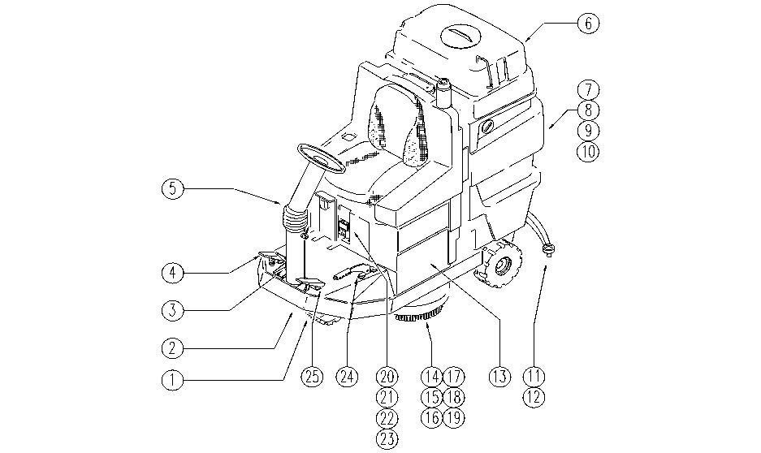

REF. | CODE | DESCRIPTION | QT
1 | PL1045 | WHEEL
2 | PL1050 | CHASSIS
3 | PL1052 | PEDAL BRAKE
4 | PL1051 | DRIVE
5 | PL1044 | STEERING COLUMN
6 | PL1216 | TANK
7 | PL1039 | TANK-HYDRAULIC UNIT
8 | PL1040 | TANK: SUCTION
9 | PL1041 | TANK-ACCESSORIES
10 | PL1217 | TANK-ACCESSORIES
11 | PL1070 | SQUEEGEE 95
12 | PL1069 | SQUEEGEE LIFT
13 | PL1058 | BATTERY CASE
14 | PL1033 | HEAD 95: MOTOR
15 | PL1381 | HEAD 95:FLAP AND BOX
16 | PL1034 | HEAD 95:PULLEY AXLE
17 | PL1048 | FRONT HEAD LIFTING
18 | PL1047 | REAR HEAD LIFTING
19 | PL1215 | HEAD FASTENER
20 | PL1060BC | ELECTRIC UNIT 1
21 | PL1061 | ELECTRIC UNIT 2
22 | PL1062 | ELECTRIC UNIT 3
23 | PL1063 | ELECTRIC UNIT 4
24 | PL1053 | HAND BRAKE
25 | PL1066 | SQUEEGEE PEDAL
 | PL1237 | BRUSH
 | PL1277 | EXTERNAL PARTS
 | WD27126-2 | WIRING DIAGRAM

